2012 - 2022 Yearly Data
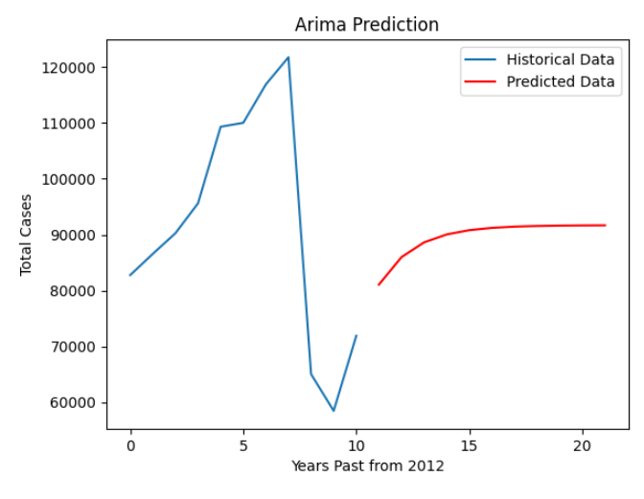
Year | Total Cases | Average Cases per Day | Highest Cases by Month | Lowest Cases by Month | Highest Cases by ROAD | Highest Cases by Time (Hour) | Lowest Cases by Time (Hour) | Highest Collision Type Case | Highest Fatalities by Collision Type
2012 | 82757 | 227 | n/a | n/a | n/a | n/a | n/a | n/a | n/a
2013 | 86565 | 237 | n/a | n/a | n/a | n/a | n/a | n/a | n/a
2014 | 90258 | 247 | n/a | n/a | n/a | n/a | n/a | n/a | n/a
2015 | 95615 | 262 | n/a | n/a | n/a | n/a | n/a | n/a | n/a
2016 | 109322 | 299 | September | February | EDSA | 14:00-14:59 | 03:00-03:59 | Side Swipe | Hit Pedestrian
2017 | 110025 | 301 | June | December | EDSA | 15:00-15:59 | 03:00-03:59 | n/a | Hit Pedestrian
2018 | 116906 | 320 | October | November | EDSA | 11:00-11:59 | 03:00-03:59 | Swide Swipe | Hit Pedestrian
2019 | 121771 | 334 | October | April | EDSA | 11:00-11:59 | 03:00-3:59 | Side Swipe | Hit Pedestrian
2020 | 65032 | 178 | February | April | EDSA | 15:00-15:59 | 03:00-3:59 | Side Swipe | Hit Pedestrian
2021 | 58447 | 160 | December | August | EDSA | 11:00-11:59 | 02:00-02:59 | Side Swipe | Hit Pedestrian
2022 | 71891 | 197 | November | January | EDSA | 15:00-15:59 | 03:00-03:59 | Side Swipe | Hit Pedestrian
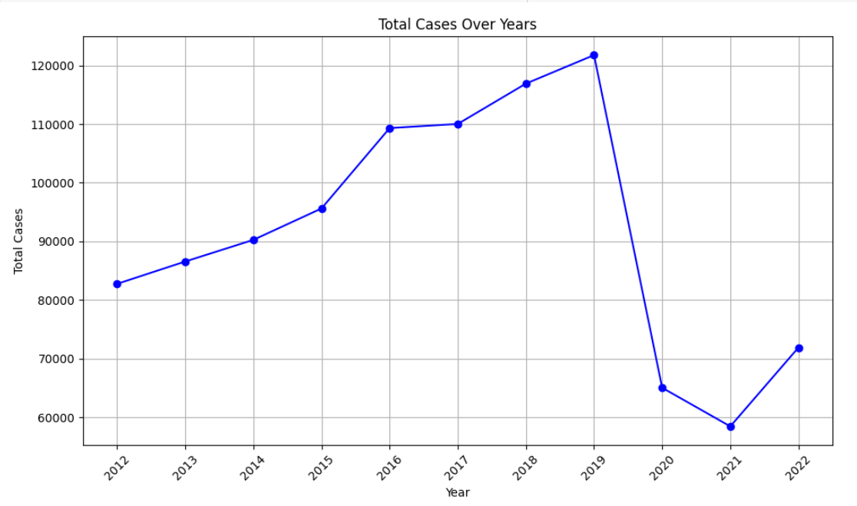
2023 | 85954 | 236 | August | January | EDSA | 16:00 - 16:59 | 03:00-03:59 | n/a | n/a

